Guidance
Title III, Part A Supplement Not Supplant Worksheet, Professional Development Activities
Section 3115(g) of Title III of the ESEA (hereafter “Title III”) provides as follows: SUPPLEMENT, NOT SUPPLANT -- Federal funds made available under this subpart shall be used so as to supplement the level of Federal, State, and local public funds that, in the absence of such availability, would have been expended for programs for limited English proficient children and immigrant children and youth and in no case to supplant such Federal, State, and local public funds
ESEA SEC. 3115. (c)(2) ø20 U.S.C. 6825¿ SUBGRANTS TO ELIGIBLE ENTITIES. (2) to provide effective professional development to classroom teachers (including teachers in classroom settings that are not the settings of language instruction educational programs), principals and other school leaders, administrators, and other school or community-based organizational personnel, that is— (A) designed to improve the instruction and assessment of English learners; (B) designed to enhance the ability of such teachers, principals, and other school leaders to understand and implement curricula, assessment practices and measures, and instructional strategies for English learners; (C) effective in increasing children’s English language proficiency or substantially increasing the subject matter knowledge, teaching knowledge, and teaching skills of such teachers; and (D) of sufficient intensity and duration (which shall not include activities such as 1-day or short-term workshops and conferences) to have a positive and lasting impact on the teachers’ performance in the classroom, except that this subparagraph shall not apply to an activity that is one component of a long-term, comprehensive professional development plan established by a teacher and the teacher’s supervisor based on an assessment of the needs of the teacher, the supervisor, the students of the teacher, and any local educational agency employing the teacher, as appropriate;
When needing to expend funds to meet the educational needs of EB and/or immigrant students, it is recommended that school systems consider all available funding sources that are intended to support EB and/ or immigrant students. When maximizing your funds, imagine building a cake and how you always want your cake to be right side up. Title III, Part A funds are supplemental to all other local, state and federal funds. The cake approach also applies when providing services to educators or school leaders through professional development opportunities and/or meeting the needs of families of EB and/or immigrant students.
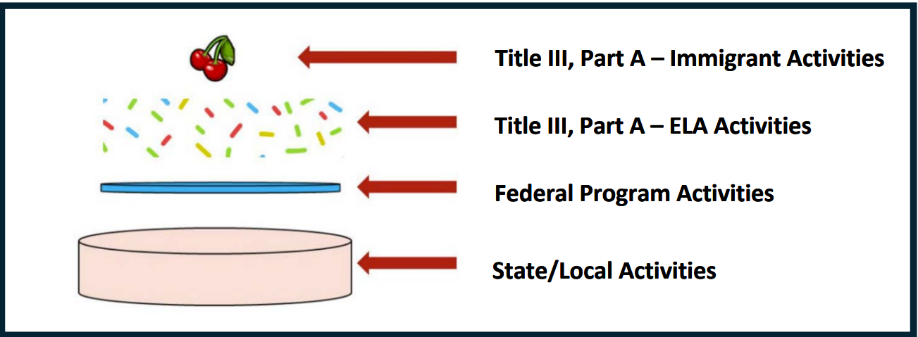
When determining the funding source for an activity, it is recommended to keep the following terms in mind. Budgeted – Is the cost clearly documented and prioritized in the appropriate budgetary class/object codes? Reasonable – Do these costs exceed an amount that a prudent person would incur under the circumstances prevailing when the decision was made to incur the cost? Appropriate – Does it meet compliance according to state and federal guidance, policies, and procedures? Necessary – Are these costs identified in the school system's program plan?

Resources:
English Learner Portal-FAQ Funding
Funding Guidebook
Supplement, Not Supplant Handbook
Title III, Part A — English Language Acquisition, Language Enhancement, and Academic Achievement Act | Texas Education Agency
Financial Accountability System Resource Guide | Texas Education Agency

